Sheet1
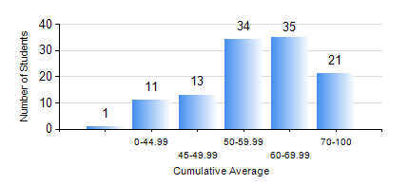
 |  |  | KWAME NKRUMAH UNIVERSITY OF SCIENCE AND TECHNOLOGY, KUMASI Department of Geological Engineering

 |  |  | BSC. GEOLOGICAL ENG.

 |  |  | COMPREHENSIVE RECORD OF EXAMINATION RESULTS

 |  |  | RESULTS OF YEAR 2 SECOND SEMESTER, 2023/2024 ACADEMIC YEAR

 | Sn | Course Code |  | Course Name | Credit Hours | Min. Mark | Max. Mark | Avg. Mark | Std. Dev. | No. Passed | No. Trailed | No. (Df) | No. (I) | No. (I*) | No. Tagged(I,I*,Df) | Total
 | 0. |  |  |  |  |  |  | 0 | 0 | 0 | 0 | 0 | 0 | 0 | 0 | 11
 | 1. | CE 256 |  | FLUID MECHANICS | 3 | 19 | 97 | 73 | 16.68 | 99 | 4 | 0 | 1 | 0 | 1 | 104
 | 2. | GE 282 |  | LARGE SCALE SURVEYING | 3 | 40 | 91 | 63 | 14.27 | 102 | 0 | 0 | 2 | 0 | 2 | 104
 | 3. | GED 252 |  | STRATIGRAPHY | 3 | 29 | 93 | 64 | 14.22 | 98 | 3 | 0 | 3 | 0 | 3 | 104
 | 4. | GED 254 |  | ROCK ENGINEERING | 2 | 10 | 87 | 60 | 16.26 | 91 | 10 | 0 | 3 | 0 | 3 | 104
 | 5. | GED 258 |  | OPTICAL MINERALOGY | 2 | 11 | 85 | 64 | 13.77 | 98 | 4 | 0 | 2 | 0 | 2 | 104
 | 6. | GED 262 |  | INTRODUCTION TO SOIL MECHANICS | 2 | 28 | 89 | 63 | 13.1 | 78 | 4 | 22 | 0 | 0 | 22 | 104
 | 7. | MATH 252 |  | ANALYSIS IV | 4 | 40 | 80 | 55 | 9.39 | 103 | 0 | 0 | 1 | 0 | 1 | 104

